recognizing shrutis
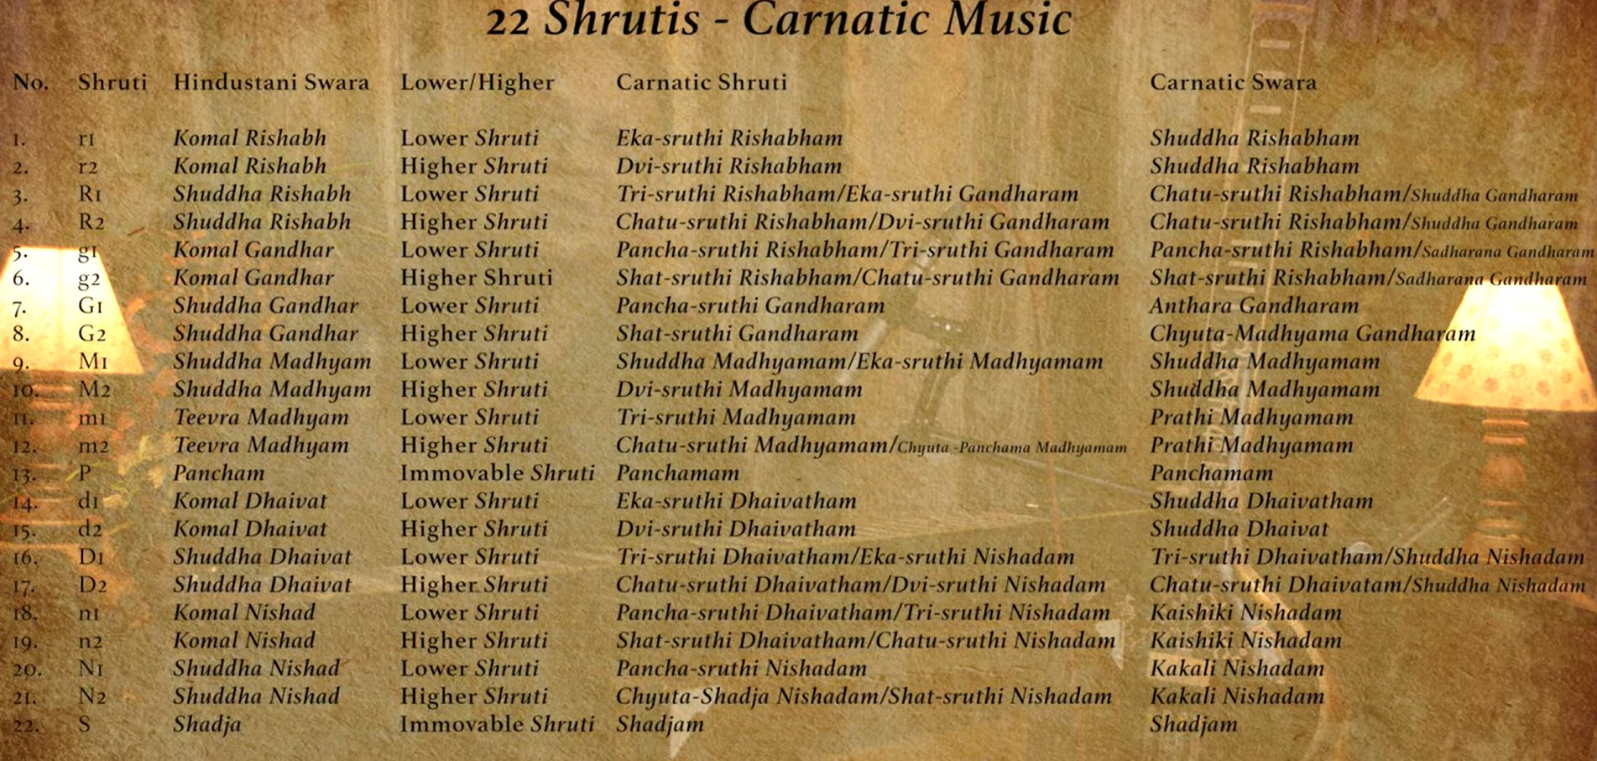
S No | Hindustani Swara-sthana | Swara | Ratio | Emotional Quality | How It Locks With Tanpura | Raga Usage
1. SA (1 shruti) | Shuddha Sa (S) | Sa | 2025-01-01 | Center, grounding, stillness | The ONLY perfect lock; tanpura becomes completely calm and full | All ragas (root reference)
2. RE (4 shrutis) |  | Eka-shruti Re | 256/243 | Austere, serious, “prarthana” | First low anchor; very small step from Sa | Bhairav, Poorvi
 | Komal Re (r) | Dvi-shruti Re (Komal Re) | 16/15 | Soft, sorrowful, inward | Second lock, warm stop of beats | Bhairavi, Asavari, Kaafi
 |  | Tri-shruti Re | 2025-09-10 | Neutral, calm | Third lock, light brightness | Carnatic, folk
 | Shuddha Re (R) | Chatur-shruti Re (Shuddha Re) | 2025-08-09 | Confident, bright | Strongest, open ringing | Yaman, Bilawal, Kalyan
3. GA (4 shrutis) |  | Sudha Ga | 32/27 | Earthy, ancient, rustic | Very low Ga; beats stop gently | Desi ragas, old dhrupad styles
 | Komal Ga (g) | Sadharana Ga (Komal Ga) | 2025-05-06 | Melting, emotional, longing | Strong warm lock; “pulls heart inward” | Kaafi, Asavari, Darbari, Bhairavi
 | Shuddha Ga (G) | Antara Ga (Shuddha Ga) | 2025-04-05 | Pure, bright, devotional | Very clear, bell-like lock; tanpura becomes open | Yaman, Bilawal, Khamaj, Kalyan
 |  | Chyuta Madhyam Ga | 81/64 | Tense, sharpened tension | Slightly sharper than Shuddha Ga; fast beating near 5/4 | Special Carnatic phrases
4. MA (4 shrutis) | Shuddha Ma (M) | Shuddha Ma | 2025-03-04 | Peaceful, stabilizing | Strong natural overtone (3rd harmonic) | Almost all ragas
 |  | Tivra Sudha Ma | 27/20 | Rising tension | Slightly sharp; beats almost stable but “tilted” | Carnatic nuances
 | Tivra Ma (m) | Prati Ma (Tivra Ma) | 45/32 | Brilliant, uplifting | Very bright lock; tanpura overtone shines | Yaman, Kalyan, Puriya
 |  | Chyuta Pancham Ma | 729/512 | Razor-sharp tension | Close to Pa; beats very fast | Rare transitions in Carnatic
5. PA (1 shruti) | Pancham (P) | Pa | 2025-02-03 | Stability, spaciousness | Clear overtone (perfect fifth); instantly locks | All ragas except those without Pa (e.g., Malkauns)
6. DHA (4 shrutis) |  | Eka-shruti Dha | 128/81 | Dry, ancient | Low, raw Dha; beats slow | Rare Carnatic shades
 | Komal Dha (d) | Dvi-shruti Dha (Komal Dha) | 2025-05-08 | Heavy, emotional, serious | Warm lock like Komal Ga; pulls downward | Asavari, Bhairavi
 |  | Tri-shruti Dha | 2025-03-05 | Mildly bright, gentle | Neutral lock, not too sharp | Khamaj, some folk ragas
 | Shuddha Dha (D) | Chatur-shruti Dha (Shuddha Dha) | 27/16 | Strong, heroic, open | Big, ringing, fast lock; tanpura expands | Bilawal, Yaman, Kalyan
7. NI (4 shrutis) |  | Sudha Ni | 2025-09-16 | Soft, gentle, resting | Low Ni; close beats, gentle lock | Kafi-type ragas
 | Komal Ni (n) | Kaishiki Ni (Komal Ni) | 2025-05-09 | Deeply emotional, romantic | Warm lock like Komal Ga; inward pull | Bhairavi, Asavari
 | Shuddha Ni (N) | Kakali Ni (Shuddha Ni) | 2025-08-15 | Brilliant, uplifting, shining | Strong overtone lock; tanpura “glows” | Yaman, Kalyan
 |  | Chyuta Sa Ni | 243/128 | Very sharp Ni, almost Sa | Nearly merges with Sa; tiny beats | Rare Carnatic forms
8. Upper Sa (Tara Sa) | Tara Sa (S') | Sa' | 2025-01-01 | Completion, expansion, resolution | Strong octave lock; complete silence of beats | All ragas

 | Link: https://www.youtube.com/watch?v=vp9fu1ErBLQ

Taal
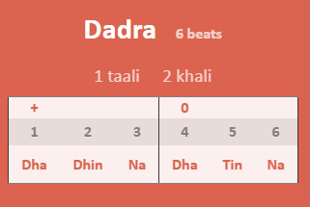
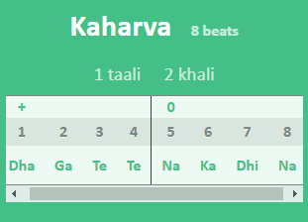

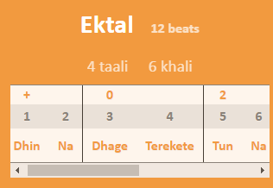

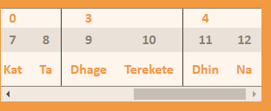

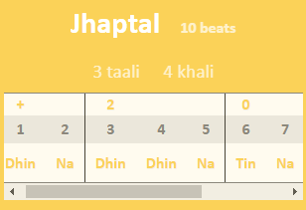

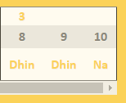

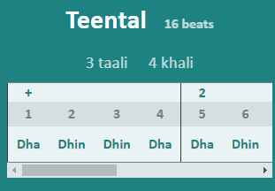

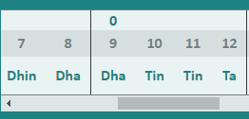
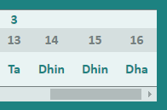

Resources:
 | https://carnatic-circle.com/tabla-lessonsnotes/taals-kisme/

